Graphical Analysis
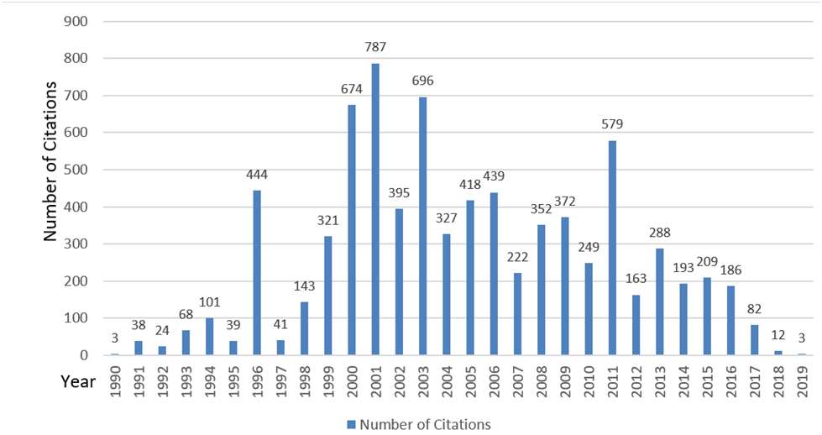
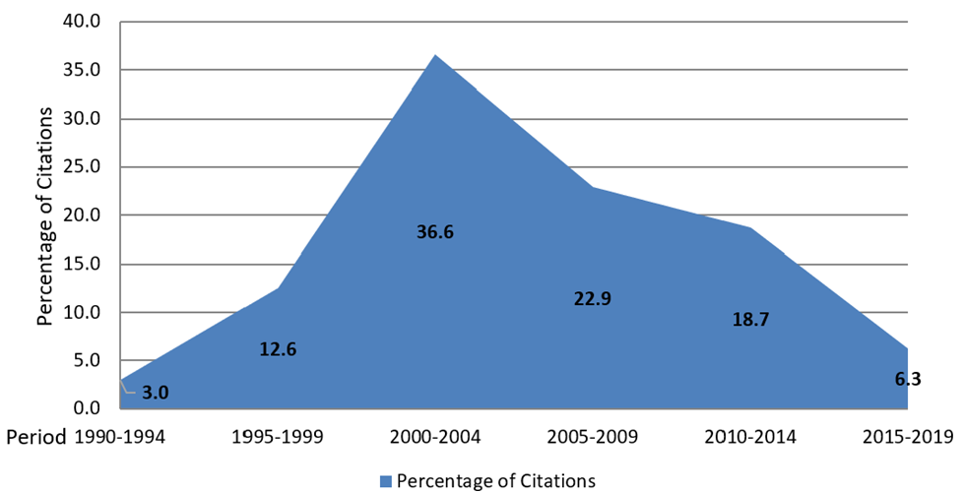
Graphical Analysis of Citations and Publications of Business Excellence journal papers from 1990 to today - Updated 10 January 2020
Research undertaken by Saad Ghafoor (s.g.ghafoor@massey.ac.nz.com), Prof. Nigel Grigg (n.grigg@massey.ac.nz), Dr. Sanjay Mathrani (s.mathrani@massey.ac.nz) and Dr Robin Mann (r.s.mann@massey.ac.nz)
Centre for Organisational Excellence Research, www.coer.org.nz.
Please contact us if any errors or omissions are noticed in the spreadsheet.

 | Number of papers published by year | Percentage of papers published by period
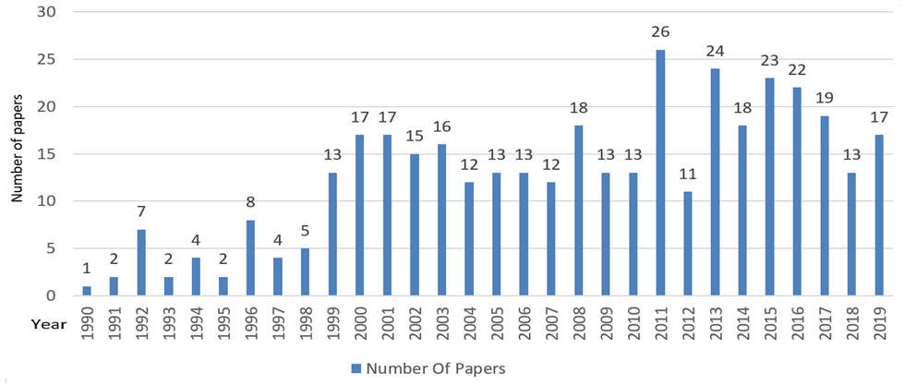
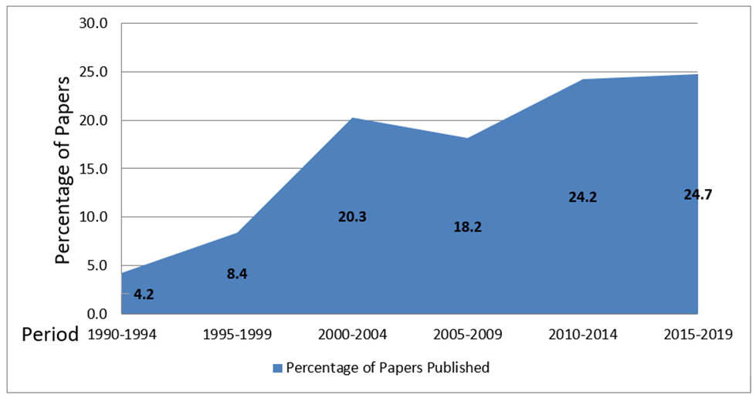

 | Number of citations by year | Percentage of citations by period

